Calculator
J. Williams Please contact me at jwills@protonmail.com with any issues with this spreadsheet.
This sheet was made after watching a video on youtube from "Straight to the point engineering". I've verified it made sense with only one example so far.

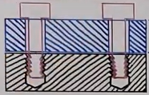
Calculating Clearance Hole Diameters
Inputs |  |  |  | This calculation is used to determine clearance hole diameters for holes on the top part shown below (in blue) for assembling two parts where there exist at least two bolts, so that fitment is guaranteed.
Maximum Fastener Diameter | 0.250 | inches
Clearance Hole Positional Tolerance | 0.007 | inches
Threaded Hole Positional Tolerance | 0.014 | inches
Minimum Thread Depth | 0.500 | inches
Maximum Clearance Hole Length | 0.755 | inches
Projected Tolerance Zone Modifier in Clearance Hole Controle Frame? | FALSE | True/False

Outputs
Original Minimum Clearance Hole Diameter | 0.3133 | inches
Original Nominal Clearance Hole Diameter | 0.31528 | inches
Original Maximum Clearance Hole Diameter | 0.32228 | inches
Outputs Adjusted for Common Drill Sizes
Practical Minimum Clearance Hole Diameter | 0.31400 | inches
Practical Nominal Clearance Hole Diameter | 0.31600000 | inches | Drill Size: "O"
Practical Maximum Clearance Hole Diameter | 0.32300 | inches

Drill Size Table & Ref
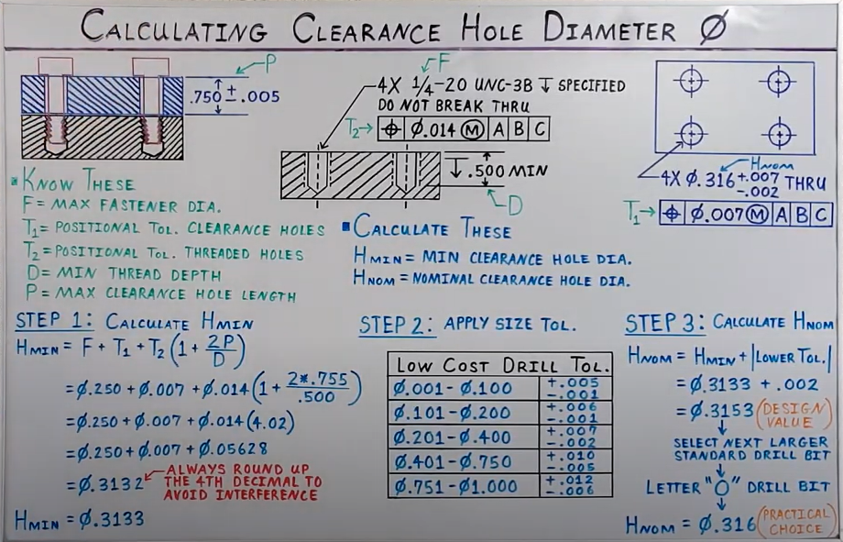
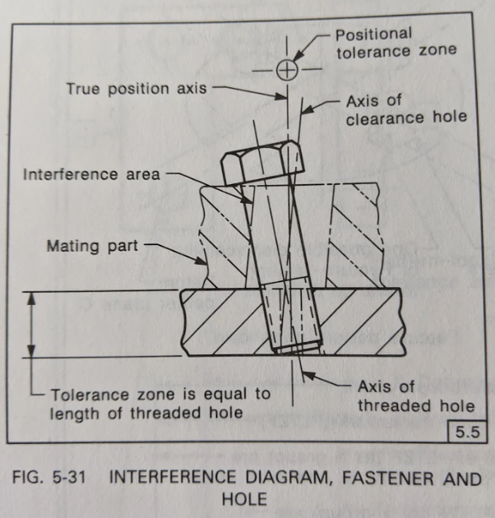
Drill Size | Diameter (in) | Diameter (mm) |  |  | General Low Cost Drill Tolerances (in inches)
#107 | 0.0019 | 0.0483 | Lower Limit | Upper Limit (including) | Drill Size Range: | +/- | Tolerance:
0.05 mm | 0.001968503937 | 0.05 | 0.001 | 0.100 | 0.001 < Ø<= 0.100 | + | 0.005
#106 | 0.0023 | 0.0584 |  |  |  | - | -0.001
#105 | 0.0027 | 0.0686 | 0.100 | 0.200 | 0.100 < Ø<= 0.200 | + | 0.006
#104 | 0.0031 | 0.0787 |  |  |  | - | -0.001
#103 | 0.0035 | 0.0889 | 0.200 | 0.400 | 0.200 < Ø<= 0.400 | + | 0.007
#102 | 0.0039 | 0.0991 |  |  |  | - | -0.002
0.1 mm | 0.003937007874 | 0.1 | 0.400 | 0.750 | 0.400 < Ø<= 0.750 | + | 0.010
#101 | 0.0043 | 0.1092 |  |  |  | - | -0.005
#100 | 0.0047 | 0.1194 | 0.750 | 1.000 | 0.750 < Ø<= 1.000 | + | 0.012
#99 | 0.0051 | 0.1295 |  |  |  | - | -0.006
#98 | 0.0055 | 0.1397
#97 | 0.0059 | 0.1499
#96 | 0.0063 | 0.16
#95 | 0.0067 | 0.1702
#94 | 0.0071 | 0.1803
#93 | 0.0075 | 0.1905
0.2 mm | 0.007874015748 | 0.2
#92 | 0.0079 | 0.2007
#91 | 0.0083 | 0.2108
#90 | 0.0087 | 0.221
#89 | 0.0091 | 0.2311
#88 | 0.0095 | 0.2413
#87 | 0.01 | 0.254
#86 | 0.0105 | 0.2667
#85 | 0.011 | 0.2794
#84 | 0.0115 | 0.2921
0.3 mm | 0.011811023622 | 0.3
#83 | 0.012 | 0.3048
#82 | 0.0125 | 0.3175
#81 | 0.013 | 0.3302
#80 | 0.0135 | 0.3429
#79 | 0.0145 | 0.368
1/64 in | 0.015625 | 0.396875
0.4 mm | 0.015748031496 | 0.4
#78 | 0.016 | 0.4064
#77 | 0.018 | 0.4572
0.5 mm | 0.01968503937 | 0.5
#76 | 0.02 | 0.508
#75 | 0.021 | 0.5334
#74 | 0.0225 | 0.5715
0.6 mm | 0.023622047244 | 0.6
#73 | 0.024 | 0.6096
#72 | 0.025 | 0.635
#71 | 0.026 | 0.6604
0.7 mm | 0.027559055118 | 0.7
#70 | 0.028 | 0.7112
#69 | 0.0292 | 0.7417
#68 | 0.031 | 0.7874
1/32 in | 0.03125 | 0.79375
0.8 mm | 0.031496062992 | 0.8
#67 | 0.032 | 0.8128
#66 | 0.033 | 0.8382
#65 | 0.035 | 0.889
0.9 mm | 0.035433070866 | 0.9
#64 | 0.036 | 0.9144
#63 | 0.037 | 0.9398
#62 | 0.038 | 0.9652
#61 | 0.039 | 0.9906
1 mm | 0.03937007874 | 1
#60 | 0.04 | 1.016
#59 | 0.041 | 1.0414
#58 | 0.042 | 1.0668
#57 | 0.043 | 1.0922
1.1 mm | 0.043307086614 | 1.1
#56 | 0.0465 | 1.1811
3/64 in | 0.046875 | 1.190625
1.2 mm | 0.047244094488 | 1.2
1.3 mm | 0.051181102362 | 1.3
#55 | 0.052 | 1.3208
#54 | 0.055 | 1.397
1.4 mm | 0.055118110236 | 1.4
1.5 mm | 0.05905511811 | 1.5
#53 | 0.0595 | 1.5113
1/16 in | 0.0625 | 1.5875
1.6 mm | 0.062992125984 | 1.6
#52 | 0.0635 | 1.6129
1.7 mm | 0.066929133858 | 1.7
#51 | 0.067 | 1.7018
#50 | 0.07 | 1.778
1.8 mm | 0.070866141732 | 1.8
#49 | 0.073 | 1.8542
1.9 mm | 0.074803149606 | 1.9
#48 | 0.076 | 1.9304
5/64 in | 0.078125 | 1.984375
#47 | 0.0785 | 1.9939
2 mm | 0.07874015748 | 2
#46 | 0.081 | 2.0574
#45 | 0.082 | 2.0828
2.1 mm | 0.082677165354 | 2.1
#44 | 0.086 | 2.1844
2.2 mm | 0.086614173228 | 2.2
#43 | 0.089 | 2.2606
2.3 mm | 0.090551181102 | 2.3
#42 | 0.0935 | 2.3749
3/32 in | 0.09375 | 2.38125
2.4 mm | 0.094488188976 | 2.4
#41 | 0.096 | 2.4384
#40 | 0.098 | 2.4892
2.5 mm | 0.09842519685 | 2.5
#39 | 0.0995 | 2.5273
#38 | 0.1015 | 2.5781
2.6 mm | 0.10236220472 | 2.6
#37 | 0.104 | 2.6416
2.7 mm | 0.1062992126 | 2.7
#36 | 0.1065 | 2.7051
7/64 in | 0.109375 | 2.778125
#35 | 0.11 | 2.794
2.8 mm | 0.11023622047 | 2.8
#34 | 0.111 | 2.8194
#33 | 0.113 | 2.8702
2.9 mm | 0.11417322835 | 2.9
#32 | 0.116 | 2.9464
3 mm | 0.11811023622 | 3
#31 | 0.12 | 3.048
3.1 mm | 0.12204724409 | 3.1
1/8 in | 0.125 | 3.175
3.2 mm | 0.12598425197 | 3.2
#30 | 0.1285 | 3.2639
3.3 mm | 0.12992125984 | 3.3
3.4 mm | 0.13385826772 | 3.4
#29 | 0.136 | 3.4544
3.5 mm | 0.13779527559 | 3.5
#28 | 0.1405 | 3.5687
9/64 in | 0.140625 | 3.571875
3.6 mm | 0.14173228346 | 3.6
#27 | 0.144 | 3.6576
3.7 mm | 0.14566929134 | 3.7
#26 | 0.147 | 3.7338
#25 | 0.1495 | 3.7973
3.8 mm | 0.14960629921 | 3.8
#24 | 0.152 | 3.8608
3.9 mm | 0.15354330709 | 3.9
#23 | 0.154 | 3.9116
5/32 in | 0.15625 | 3.96875
#22 | 0.157 | 3.9878
4 mm | 0.15748031496 | 4
#21 | 0.159 | 4.0386
#20 | 0.161 | 4.0894
4.1 mm | 0.16141732283 | 4.1
4.2 mm | 0.16535433071 | 4.2
#19 | 0.166 | 4.2164
4.3 mm | 0.16929133858 | 4.3
#18 | 0.1695 | 4.3053
11/64 in | 0.171875 | 4.365625
#17 | 0.173 | 4.3942
4.4 mm | 0.17322834646 | 4.4
#16 | 0.177 | 4.4958
4.5 mm | 0.17716535433 | 4.5
#15 | 0.18 | 4.572
4.6 mm | 0.1811023622 | 4.6
#14 | 0.182 | 4.6228
#13 | 0.185 | 4.699
4.7 mm | 0.18503937008 | 4.7
3/16 in | 0.1875 | 4.7625
4.8 mm | 0.18897637795 | 4.8
#12 | 0.189 | 4.8006
#11 | 0.191 | 4.8514
4.9 mm | 0.19291338583 | 4.9
#10 | 0.1935 | 4.9149
#9 | 0.196 | 4.9784
5 mm | 0.1968503937 | 5
#8 | 0.199 | 5.0546
5.1 mm | 0.20078740157 | 5.1
#7 | 0.201 | 5.1054
13/64 in | 0.203125 | 5.159375
#6 | 0.204 | 5.1816
5.2 mm | 0.20472440945 | 5.2
#5 | 0.2055 | 5.2197
5.3 mm | 0.20866141732 | 5.3
#4 | 0.209 | 5.3086
5.4 mm | 0.2125984252 | 5.4
#3 | 0.213 | 5.4102
5.5 mm | 0.21653543307 | 5.5
7/32 in | 0.21875 | 5.55625
5.6 mm | 0.22047244094 | 5.6
#2 | 0.221 | 5.6134
5.7 mm | 0.22440944882 | 5.7
#1 | 0.228 | 5.7912
5.8 mm | 0.22834645669 | 5.8
5.9 mm | 0.23228346457 | 5.9
A | 0.234 | 5.9436
15/64 in | 0.234375 | 5.953125
6 mm | 0.23622047244 | 6
B | 0.238 | 6.0452
6.1 mm | 0.24015748031 | 6.1
C | 0.242 | 6.1468
6.2 mm | 0.24409448819 | 6.2
D | 0.246 | 6.2484
6.3 mm | 0.24803149606 | 6.3
1/4 in | 0.25 | 6.35
E | 0.25 | 6.35
6.4 mm | 0.25196850394 | 6.4
6.5 mm | 0.25590551181 | 6.5
F | 0.257 | 6.5278
6.6 mm | 0.25984251969 | 6.6
G | 0.261 | 6.6294
6.7 mm | 0.26377952756 | 6.7
17/64 in | 0.265625 | 6.746875
H | 0.266 | 6.7564
6.8 mm | 0.26771653543 | 6.8
6.9 mm | 0.27165354331 | 6.9
I | 0.272 | 6.9088
7 mm | 0.27559055118 | 7
J | 0.277 | 7.0358
7.1 mm | 0.27952755906 | 7.1
K | 0.281 | 7.1374
9/32 in | 0.28125 | 7.14375
7.2 mm | 0.28346456693 | 7.2
7.3 mm | 0.2874015748 | 7.3
L | 0.29 | 7.366
7.4 mm | 0.29133858268 | 7.4
M | 0.295 | 7.493
7.5 mm | 0.29527559055 | 7.5
19/64 in | 0.296875 | 7.540625
7.6 mm | 0.29921259843 | 7.6
N | 0.302 | 7.6708
7.7 mm | 0.3031496063 | 7.7
7.8 mm | 0.30708661417 | 7.8
7.9 mm | 0.31102362205 | 7.9
5/16 in | 0.3125 | 7.9375
8 mm | 0.31496062992 | 8
O | 0.316 | 8.0264
8.1 mm | 0.3188976378 | 8.1
8.2 mm | 0.32283464567 | 8.2
P | 0.323 | 8.2042
8.3 mm | 0.32677165354 | 8.3
21/64 in | 0.328125 | 8.334375
8.4 mm | 0.33070866142 | 8.4
Q | 0.332 | 8.4328
8.5 mm | 0.33464566929 | 8.5
8.6 mm | 0.33858267717 | 8.6
R | 0.339 | 8.6106
8.7 mm | 0.34251968504 | 8.7
11/32 in | 0.34375 | 8.73125
8.8 mm | 0.34645669291 | 8.8
S | 0.348 | 8.8392
8.9 mm | 0.35039370079 | 8.9
9 mm | 0.35433070866 | 9
T | 0.358 | 9.0932
9.1 mm | 0.35826771654 | 9.1
23/64 in | 0.359375 | 9.128125
9.2 mm | 0.36220472441 | 9.2
9.3 mm | 0.36614173228 | 9.3
U | 0.368 | 9.3472
9.4 mm | 0.37007874016 | 9.4
9.5 mm | 0.37401574803 | 9.5
3/8 in | 0.375 | 9.525
V | 0.377 | 9.5758
9.6 mm | 0.37795275591 | 9.6
9.7 mm | 0.38188976378 | 9.7
9.8 mm | 0.38582677165 | 9.8
W | 0.386 | 9.8044
9.9 mm | 0.38976377953 | 9.9
25/64 in | 0.390625 | 9.921875
10 mm | 0.3937007874 | 10
X | 0.397 | 10.0838
Y | 0.404 | 10.2616
13/32 in | 0.40625 | 10.31875
Z | 0.413 | 10.4902
10.5 mm | 0.41338582677 | 10.5
27/64 in | 0.421875 | 10.715625
11 mm | 0.43307086614 | 11
7/16 in | 0.4375 | 11.1125
11.5 mm | 0.45275590551 | 11.5
29/64 in | 0.453125 | 11.509375
15/32 in | 0.46875 | 11.90625
12 mm | 0.47244094488 | 12
31/64 in | 0.484375 | 12.303125
12.5 mm | 0.49212598425 | 12.5
1/2 in | 0.5 | 12.7
13 mm | 0.51181102362 | 13
33/64 in | 0.515625 | 13.096875
17/32 in | 0.53125 | 13.49375
13.5 mm | 0.53149606299 | 13.5
35/64 in | 0.546875 | 13.890625
14 mm | 0.55118110236 | 14
9/16 in | 0.5625 | 14.2875
14.5 mm | 0.57086614173 | 14.5
37/64 in | 0.578125 | 14.684375
15 mm | 0.5905511811 | 15
19/32 in | 0.59375 | 15.08125
39/64 in | 0.609375 | 15.478125
15.5 mm | 0.61023622047 | 15.5
5/8 in | 0.625 | 15.875
16 mm | 0.62992125984 | 16
41/64 in | 0.640625 | 16.271875
16.5 mm | 0.64960629921 | 16.5
17 mm | 0.66929133858 | 17
43/64 in | 0.671875 | 17.065625
11/16 in | 0.6875 | 17.4625
17.5 mm | 0.68897637795 | 17.5
45/64 in | 0.703125 | 17.859375
18 mm | 0.70866141732 | 18
23/32 in | 0.71875 | 18.25625
18.5 mm | 0.72834645669 | 18.5
47/64 in | 0.734375 | 18.653125
19 mm | 0.74803149606 | 19
3/4 in | 0.75 | 19.05
49/64 in | 0.765625 | 19.446875
19.5 mm | 0.76771653543 | 19.5
25/32 in | 0.78125 | 19.84375
20 mm | 0.7874015748 | 20
51/64 in | 0.796875 | 20.240625
20.5 mm | 0.80708661417 | 20.5
13/16 in | 0.8125 | 20.6375
21 mm | 0.82677165354 | 21
53/64 in | 0.828125 | 21.034375
27/32 in | 0.84375 | 21.43125
21.5 mm | 0.84645669291 | 21.5
55/64 in | 0.859375 | 21.828125
22 mm | 0.86614173228 | 22
7/8 in | 0.875 | 22.225
22.5 mm | 0.88582677165 | 22.5
57/64 in | 0.890625 | 22.621875
23 mm | 0.90551181102 | 23
29/32 in | 0.90625 | 23.01875
21/23 in | 0.91304347826 | 23.191304348
59/64 in | 0.921875 | 23.415625
23.5 mm | 0.92519685039 | 23.5
15/16 in | 0.9375 | 23.8125
24 mm | 0.94488188976 | 24
61/64 in | 0.953125 | 24.209375
24.5 mm | 0.96456692913 | 24.5
31/32 in | 0.96875 | 24.60625
25 mm | 0.9842519685 | 25
63/64 in | 0.984375 | 25.003125
1 in | 1 | 25.4
25.5 mm | 1.0039 | 25.5
1 1/64 in | 0.015625 | 0.396875
26 mm | 1.0236 | 26
1 1/32 in | 0.03125 | 0.79375
26.5 mm | 1.0433 | 26.5
1 3/64 in | 0.046875 | 1.190625
1 1/16 in | 0.0625 | 1.5875
27 mm | 1.063 | 27
1 5/64 in | 0.078125 | 1.984375
27.5 mm | 1.0827 | 27.5
1 3/32 in | 0.09375 | 2.38125
28 mm | 1.1024 | 28
1 7/64 in | 0.109375 | 2.778125
28.5 mm | 1.1221 | 28.5
1 1/8 in | 1.125 | 28.575
1 9/64 in | 0.140625 | 3.571875
29 mm | 1.1417 | 29
1 5/32 in | 0.15625 | 3.96875
29.5 mm | 1.1614 | 29.5
1 11/64 in | 1.1719 | 29.76626
30 mm | 1.1811 | 30
1 3/16 in | 0.1875 | 4.7625
30.5 mm | 1.2008 | 30.5
1 13/64 in | 1.2031 | 30.55874
1 7/32 in | 0.21875 | 5.55625
31 mm | 1.2205 | 31
1 15/64 in | 1.2344 | 31.35376
31.5 mm | 1.2402 | 31.5
1 1/4 in | 1.25 | 31.75
32 mm | 1.2598 | 32
1 17/64 in | 1.2656 | 32.14624
32.5 mm | 1.2795 | 32.5
1 9/32 in | 0.28125 | 7.14375
1 19/64 in | 1.2969 | 32.94126
33 mm | 1.2992 | 33
1 5/16 in | 0.3125 | 7.9375
33.5 mm | 1.3189 | 33.5
1 21/64 in | 1.3281 | 33.73374
34 mm | 1.3386 | 34
1 11/32 in | 1.3438 | 34.13252
34.5 mm | 1.3583 | 34.5
1 23/64 in | 1.3594 | 34.52876
1 3/8 in | 1.375 | 34.925
35 mm | 1.378 | 35
1 25/64 in | 1.3906 | 35.32124
35.5 mm | 1.3976 | 35.5
1 13/32 in | 1.4063 | 35.72002
36 mm | 1.4173 | 36
1 27/64 in | 1.4219 | 36.11626
36.5 mm | 1.437 | 36.5
1 7/16 in | 0.4375 | 11.1125
1 29/64 in | 1.4531 | 36.90874
37 mm | 1.4567 | 37
1 15/32 in | 1.4688 | 37.30752
37.5 mm | 1.4764 | 37.5
1 31/64 in | 1.4844 | 37.70376
38 mm | 1.4961 | 38
1 1/2 in | 0 | 0

 |  |  |  |  |  |  |  | This is why there is the (1+2P/D) modifier of the threaded hole positional tolerance in the calculation, when there is no projected tolerance modifier.

